Sheet1
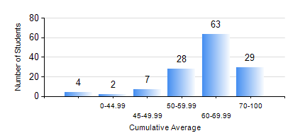
 |  |  | KWAME NKRUMAH UNIVERSITY OF SCIENCE AND TECHNOLOGY, KUMASI Department of Chemical Engineering

 |  |  | BSC. CHEMICAL ENG.

 |  |  | COMPREHENSIVE RECORD OF EXAMINATION RESULTS

 |  |  | RESULTS OF YEAR 1 SECOND SEMESTER, 2022/2023 ACADEMIC YEAR

 | Sn | Course Code |  | Course Name | Credit Hours | Min. Mark | Max. Mark | Avg. Mark | Std. Dev. | No. Passed | No. Trailed | No. (Df) | No. (I) | No. (I*) | No. Tagged(I,I*,Df) | Total
 | 0. |  |  |  |  |  |  | 0 | 0 | 0 | 0 | 0 | 0 | 0 | 0 | 3
 | 1. | CHE 156 |  | PHYSICAL CHEMISTRY FOR ENGINEERS | 2 | 20 | 93 | 63 | 15.42 | 120 | 10 | 0 | 0 | 0 | 0 | 130
 | 2. | CHE 158 |  | INTRODUCTION TO INFORMATION TECHNOLOGY | 2 | 24 | 81 | 66 | 7.59 | 129 | 1 | 0 | 0 | 0 | 0 | 130
 | 3. | EE 152 |  | BASIC ELECTRONICS | 2 | 13 | 81 | 55 | 11.65 | 125 | 5 | 0 | 0 | 0 | 0 | 130
 | 4. | ENGL 158 |  | COMMUNICATION SKILLS II | 2 | 20 | 75 | 62 | 8.77 | 128 | 2 | 0 | 0 | 0 | 0 | 130
 | 5. | MATH 152 |  | CALCULUS WITH ANALYSIS | 4 | 0 | 91 | 56 | 16.7 | 116 | 14 | 0 | 0 | 0 | 0 | 130
 | 6. | ME 162 |  | BASIC MECHANICS | 3 | 18 | 98 | 67 | 13.77 | 128 | 2 | 0 | 0 | 0 | 0 | 130
 | 7. | PHY 170 |  | GENERAL PHYSICS | 3 | 0 | 87 | 66 | 12.23 | 127 | 3 | 0 | 0 | 0 | 0 | 130

